Profile information & contents
East Renfrewshire Local Authority ELC Profile, as at 31 December 2017

Data sources
Care Inspectorate: service lists (different dates) and annual returns (different years)
Care Inspectorate: Early Learning and Childcare Statistics 2017 (and previous years)
Care Inspectorate: Staff Vacancies in Care Services 2017
Scottish Social Services Council: 2017 Workforce Data report (and previous years)
National Records of Scotland: Population Projections (2016-based)
Service types and age ranges
The type of service (nursery, creche, etc) is as defined in the 2017 annual return - with some quality checks undertaken.
This profile focusses on services that provide early learning and childcare - children and family centres, nurseries and playgroups, furthermore as the figures from children and family centres and playgroups are low a number of charts throughout this profile focus mainly on nurseries, whereas the Early Learning and Childcare Statistics 2017 also provides information on out of school care, holiday playschemes but not creche services as they predominantly provide a drop-in service. This profile does not provide information on childminders due to inadequate data.
The focus of the age range for provision is children aged 0-5, however please note that some of the nurseries provide an additional service, such as out of school care or breakfast club, and would therefore also care for children older than 5.
In the 2016 annual return data collection, the service categories were slightly amended to remove the category of 'no single service type'. Any service previously classed as ‘no single service type’ in 2015 has now been changed to reflect the category recorded in 2016.
Whole-time equivalent figures
WTE figures are from the service list and 2017 annual return, they are based on a 40-hour whole time definition. Where the Scottish Social Services Council have made some imputations for the total number of staff it may not fit well with the WTE estimate. Please note there are some services with high WTE estimates compared to the total number of staff.
Staff vacancies
As no imputation was undertaken for missing vacancy data, information on staff vacancies is based only on those active services that submitted an annual return and whose answers were applicable for the questions, therefore the number of services shown may be slightly different to figures in other tables.
Please note that these vacancies figures will not match the 2017 vacancies report as it includes cancelled services and this profile does not.
Profile information
The information in this profile differs from the Early Learning and Childcare Statistics 2017 publication in that the figures in the publication are rounded for a number of data items due to uncertainty in estimates whereas this profile reports non-rounded figures and includes estimated data to account for information that was missing due to non-submission of annual returns.
Please note that, for some tables, totals may not add up exactly due to the effect of rounding errors.
Rate per place
In the registered children by age tab a rate per place measure is used. This is the total number of children registered divided by the capacity (registered places) to provide a rate per place (children per nursery place), comparison can be measured against the rate per place in Scotland.
Contents
Summary tables and charts
Number of services and capacity
Funded places
Trend in children registered
Registered children by age
Service quality
Sessions and opening times
SIMD and urban or rural
Staffing and vacancies
National rec population stats
Care service list
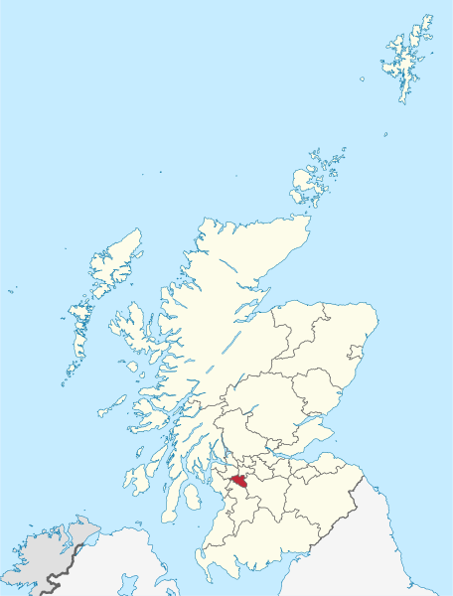

This map was created by TUBS and is granted permission to be copied, distributed and/or modified under the terms of the free GNU Free Documentation License (https://en.wikipedia.org/wiki/GNU_Free_Documentation_License), and licensed under the Attribution-Share Alike 3.0 Unsupported license (https://creativecommons.org/licenses/by-sa/3.0/deed.en) and can be found at https://commons.wikimedia.org/wiki/File:Scotland_location_map.svg. No changes have been made.

Summary tables and charts
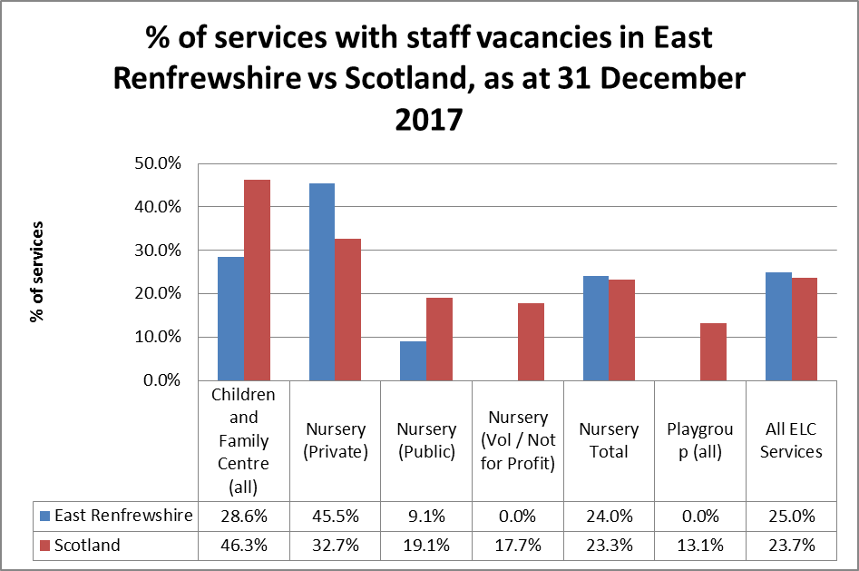
East Renfrewshire Local Authority ELC Profile - Summary Tables and Charts, as at 31 December 2017

Number of services, registered places and number of children registered with services, and change between 2015 and 2017
Service Type | Provider Sector | Number of services in 2017 | Change 2015 - 2017 | Capacity (registered places) 2017 | Change 2015 - 2017 | No of children registered in 2017 | Change 2015 - 2017
Children and Family Centre | Public | 7 | -12.5% | 576 | -3.4% | 717 | -4.5%
Children and Family Centre Total |  | 7 | -12.5% | 576 | -3.4% | 717 | -4.5%
Nursery | Private | 11 | 0.0% | 711 | 4.3% | 873 | -1.2%
 | Public | 11 | 10.0% | 746 | 27.3% | 1,149 | 6.2%
 | Voluntary or Not for Profit | 3 | 0.0% | 91 | 9.6% | 79 | -19.8%
Nursery Total |  | 25 | 4.2% | 1,548 | 14.6% | 2,101 | 1.8%
Playgroup | Voluntary or Not for Profit | 0 | -100.0% | 0 | -100.0% | 0 | 0.0%
Playgroup Total |  | 0 | -100.0% | 0 | -100.0% | 0 | 0.0%
Grand Total |  | 32 | -3.0% | 2,124 | 7.8% | 2,818 | 0.1%
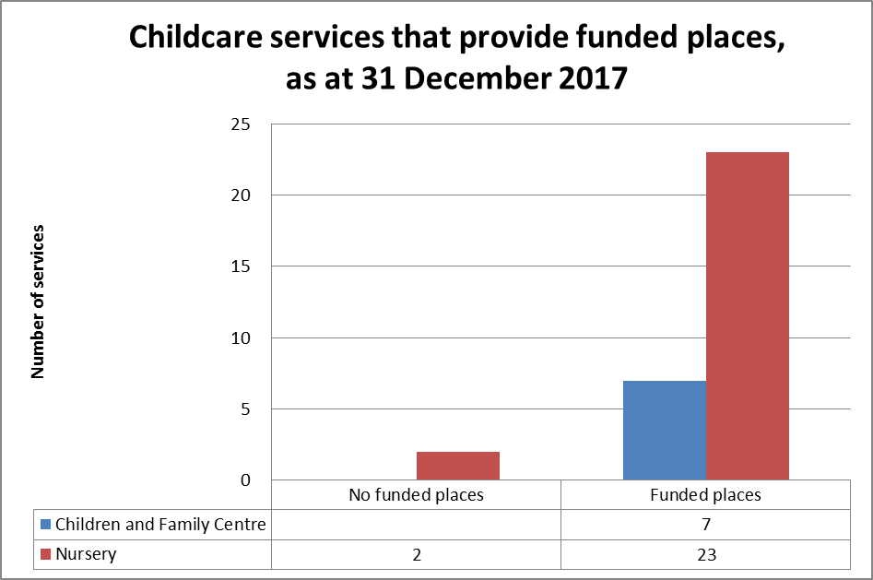

Childcare services that provide funded places
Service Type | Does the service provide funded places | Number of services | Capacity (registered places)
Children and Family Centre | Yes | 7 | 576
Children and Family Centre Total |  | 7 | 576
Nursery | No | 2 | 99
 | Yes | 23 | 1,449
Nursery Total |  | 25 | 1,548
Grand Total |  | 32 | 2,124

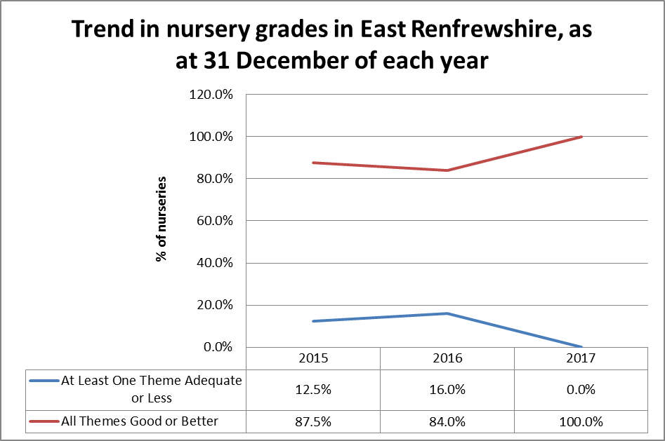
Quality of nurseries in East Renfrewshire
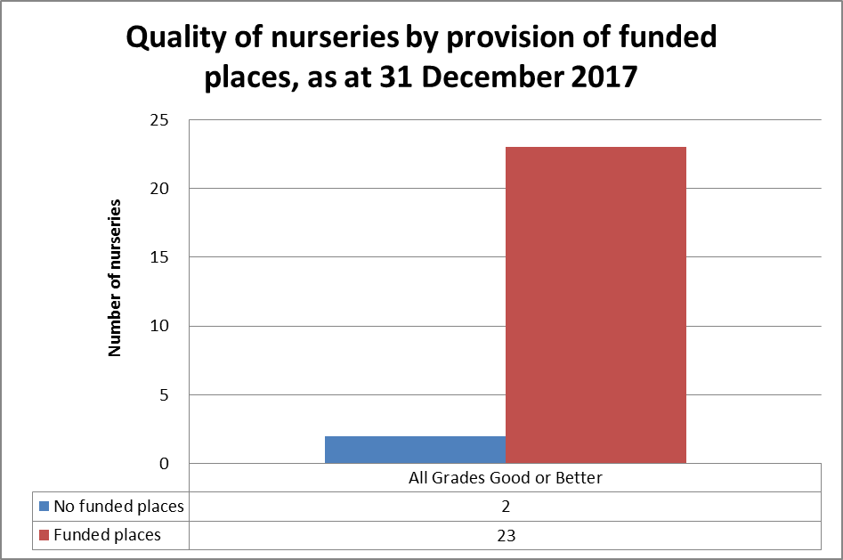

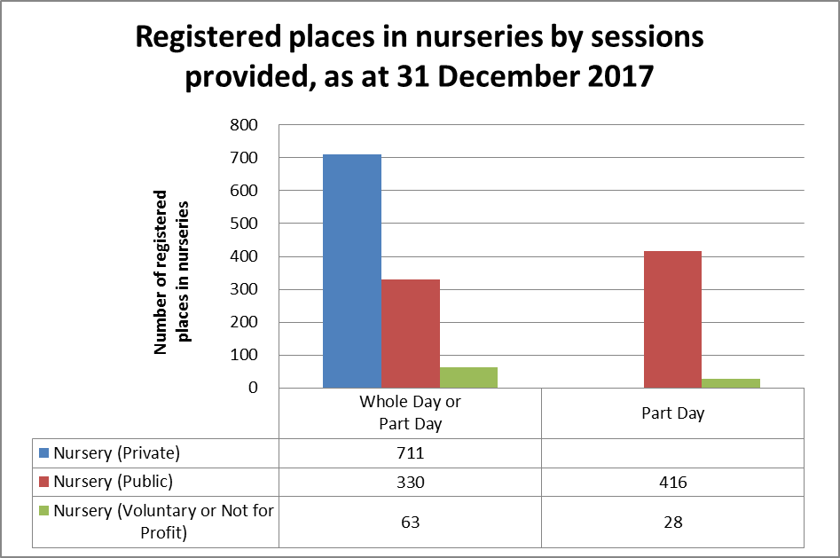
Number of nurseries and registered places by sessions provided in services
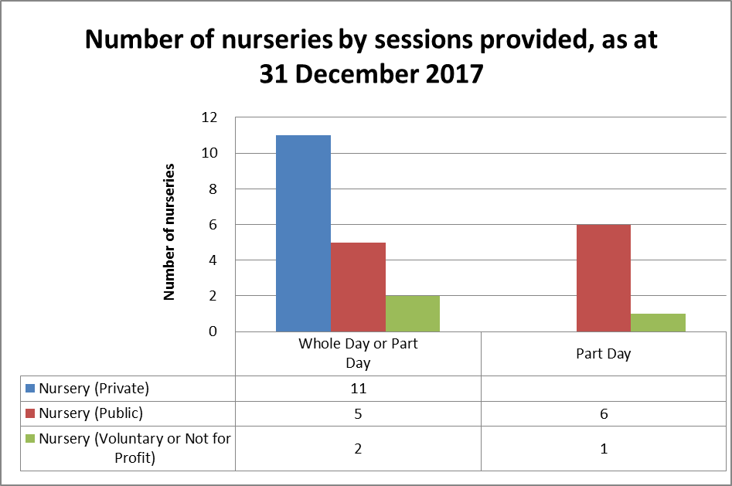

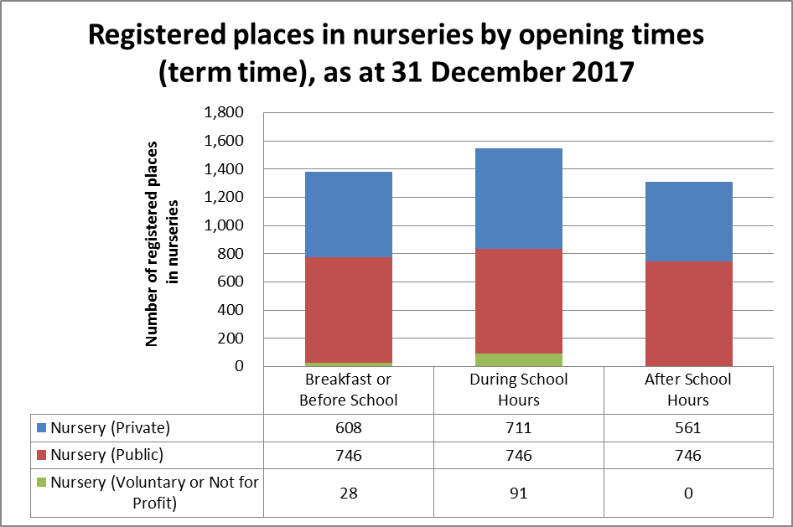
Number of nurseries and registered places by opening times (term time)
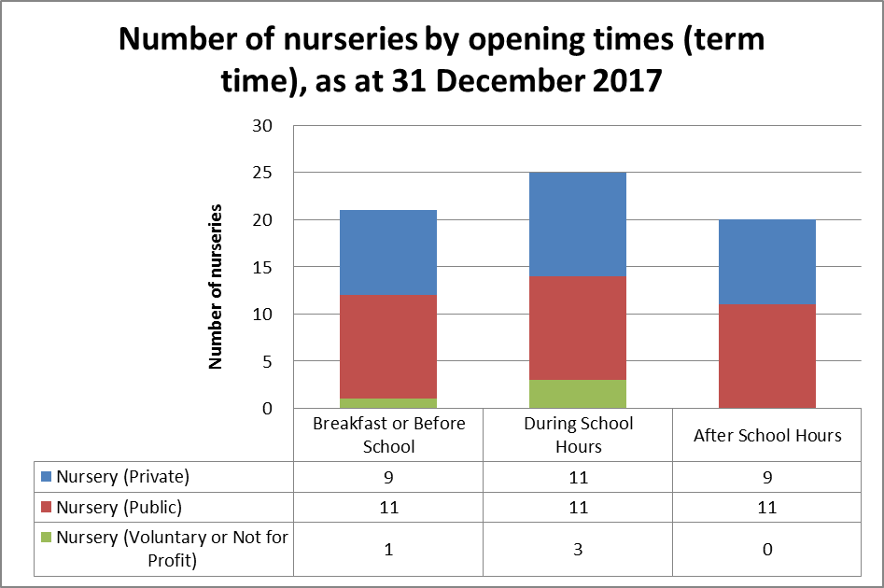

Projected population change of 2, 3 and 4 year old children in East Renfrewshire and Scotland, 2017 and 2027

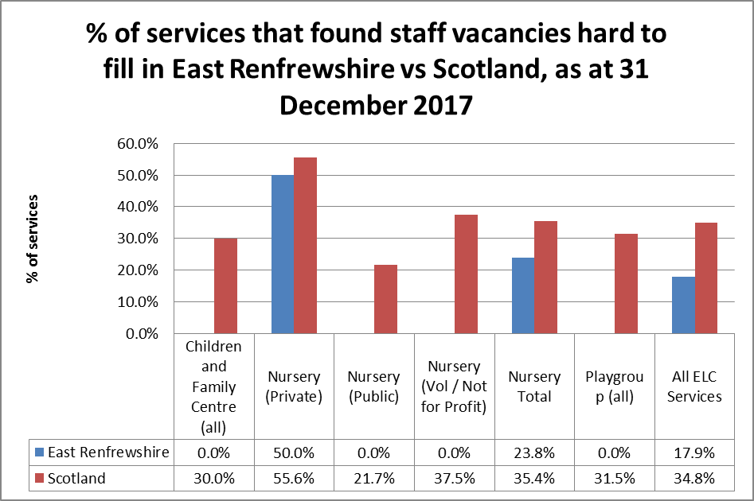
% of services with staff vacancies and services that find staff vacancies hard to fill in East Renfrewshire and Scotland

Funded places

East Renfrewshire Local Authority ELC Profile - Funded Places, as at 31 December 2017

Childcare services that provide funded places
Service Type | Does the service provide funded places | Number of services | Capacity (registered places)
Children and Family Centre | Yes | 7 | 576
Children and Family Centre Total |  | 7 | 576
Nursery | No | 2 | 99
 | Yes | 23 | 1,449
Nursery Total |  | 25 | 1,548
Grand Total |  | 32 | 2,124

National rec population stats
East Renfrewshire Local Authority ELC Profile - National Records of Scotland Population Stats

These stats are compiled by National Records of Scotland and can be found at:
https://www.nrscotland.gov.uk/statistics-and-data/statistics/statistics-by-theme/population/population-projections/sub-national-population-projections/2016-based/detailed-tables
2016-based principal population projections for council areas, by sex, single year of age and year

Projected child population change, East Renfrewshire, 2017 and 2027 |  |  |  |  |  | Projected population change of 2, 3 and 4 year old children in East Renfrewshire and Scotland, 2017 and 2027
Children's Age | 2017 | 2027 | change | % change | Scotland % change | Children's Age | 2017 | 2027 | change | % change | Scotland % change
0 | 838 | 982 | 144 | 17.2% | 5.2% | 2 | 1,031 | 1,140 | 109 | 10.6% | 0.9%
1 | 999 | 1,060 | 61 | 6.1% | 1.7% | 3 | 1,146 | 1,212 | 66 | 5.8% | 0.4%
2 | 1,031 | 1,140 | 109 | 10.6% | 0.9% | 4 | 1,203 | 1,266 | 63 | 5.2% | -1.2%
3 | 1,146 | 1,212 | 66 | 5.8% | 0.4%
4 | 1,203 | 1,266 | 63 | 5.2% | -1.2%
5 | 1,252 | 1,303 | 51 | 4.1% | -3.6%
6 | 1,327 | 1,317 | -10 | -0.8% | -6.7%
7 | 1,277 | 1,332 | 55 | 4.3% | -2.3%
8 | 1,219 | 1,349 | 130 | 10.7% | -5.1%
9 | 1,256 | 1,364 | 108 | 8.6% | -5.1%
10 | 1,256 | 1,324 | 68 | 5.4% | -4.3%
11 | 1,224 | 1,437 | 213 | 17.4% | 1.8%
12 | 1,266 | 1,426 | 160 | 12.6% | 4.3%
13 | 1,228 | 1,458 | 230 | 18.7% | 7.1%
14 | 1,170 | 1,454 | 284 | 24.3% | 12.1%
15 | 1,170 | 1,461 | 291 | 24.9% | 15.4%
0-15 | 18,862 | 20,885 | 2,023 | 10.7% | 1.0%

